Sheet1
Large Ashiko: 464 Pieces |  |  |  | Segments per Ring: 16 |  |  |  | Ring Thickness: 0.875 |  |  |  | Angle: 11.25°
 | Board |  | Segment | Diameter | Species
Row | Width | Length | S.E.L. | Outer | Maple | Lgth | Blood | Lgth | Walnu | Lgth | Yello | Lgth | Dimensions: 25.375" Tall x 13.2" Diameter Head
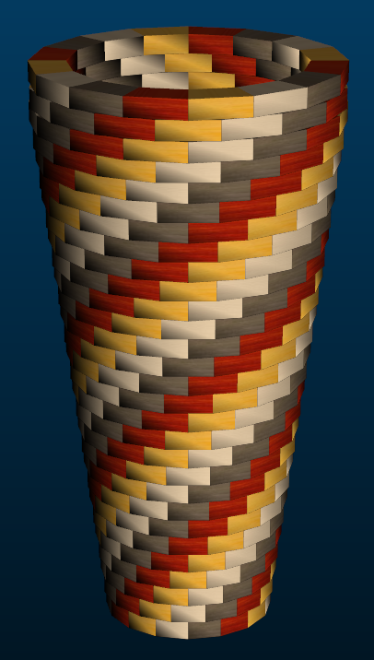
1 | 1.35 | 15.1 | 1.46 | 7.3" | 4 | 3.7 | 4 | 3.7 | 4 | 3.7 | 4 | 3.7
2 | 1.35 | 16 | 1.508 | 7.6" | 4 | 3.9 | 4 | 3.9 | 4 | 3.9 | 4 | 3.9
3 | 1.35 | 17 | 1.552 | 7.8" | 4 | 4.1 | 4 | 4.1 | 4 | 4.1 | 4 | 4.1
4 | 1.35 | 17.9 | 1.595 | 8" | 4 | 4.4 | 4 | 4.4 | 4 | 4.4 | 4 | 4.4
5 | 1.35 | 18.8 | 1.639 | 8.2" | 4 | 4.6 | 4 | 4.6 | 4 | 4.6 | 4 | 4.6
6 | 1.35 | 19.8 | 1.687 | 8.5" | 4 | 4.9 | 4 | 4.9 | 4 | 4.9 | 4 | 4.9
7 | 1.35 | 20.7 | 1.731 | 8.7" | 4 | 5.1 | 4 | 5.1 | 4 | 5.1 | 4 | 5.1
8 | 1.35 | 21.7 | 1.774 | 8.9" | 4 | 5.3 | 4 | 5.3 | 4 | 5.3 | 4 | 5.3
9 | 1.35 | 22.6 | 1.818 | 9.1" | 4 | 5.6 | 4 | 5.6 | 4 | 5.6 | 4 | 5.6
10 | 1.35 | 23.6 | 1.866 | 9.4" | 4 | 5.8 | 4 | 5.8 | 4 | 5.8 | 4 | 5.8
11 | 1.35 | 24.5 | 1.91 | 9.6" | 4 | 6 | 4 | 6 | 4 | 6 | 4 | 6
12 | 1.35 | 25.4 | 1.953 | 9.8" | 4 | 6.3 | 4 | 6.3 | 4 | 6.3 | 4 | 6.3
13 | 1.35 | 26.4 | 1.997 | 10" | 4 | 6.5 | 4 | 6.5 | 4 | 6.5 | 4 | 6.5
14 | 1.35 | 27.3 | 2.041 | 10.3" | 4 | 6.7 | 4 | 6.7 | 4 | 6.7 | 4 | 6.7
15 | 1.35 | 28.3 | 2.089 | 10.5" | 4 | 7 | 4 | 7 | 4 | 7 | 4 | 7
16 | 1.35 | 29.2 | 2.132 | 10.7" | 4 | 7.2 | 4 | 7.2 | 4 | 7.2 | 4 | 7.2
17 | 1.35 | 30.2 | 2.176 | 10.9" | 4 | 7.4 | 4 | 7.4 | 4 | 7.4 | 4 | 7.4
18 | 1.35 | 31.1 | 2.22 | 11.2" | 4 | 7.7 | 4 | 7.7 | 4 | 7.7 | 4 | 7.7
19 | 1.35 | 32 | 2.268 | 11.4" | 4 | 7.9 | 4 | 7.9 | 4 | 7.9 | 4 | 7.9
20 | 1.35 | 33 | 2.311 | 11.6" | 4 | 8.1 | 4 | 8.1 | 4 | 8.1 | 4 | 8.1
21 | 1.35 | 33.9 | 2.355 | 11.8" | 4 | 8.4 | 4 | 8.4 | 4 | 8.4 | 4 | 8.4
22 | 1.35 | 34.8 | 2.399 | 12.1" | 4 | 8.6 | 4 | 8.6 | 4 | 8.6 | 4 | 8.6
23 | 1.35 | 35.8 | 2.447 | 12.3" | 4 | 8.9 | 4 | 8.9 | 4 | 8.9 | 4 | 8.9
24 | 1.35 | 36.8 | 2.49 | 12.5" | 4 | 9.1 | 4 | 9.1 | 4 | 9.1 | 4 | 9.1
25 | 1.35 | 37.7 | 2.534 | 12.7" | 4 | 9.3 | 4 | 9.3 | 4 | 9.3 | 4 | 9.3
26 | 1.35 | 38.6 | 2.582 | 13" | 4 | 9.6 | 4 | 9.6 | 4 | 9.6 | 4 | 9.6
27 | 1.35 | 39.6 | 2.626 | 13.2" | 4 | 9.8 | 4 | 9.8 | 4 | 9.8 | 4 | 9.8
28 | 1.35 | 39.5 | 2.626 | 13.2" | 4 | 9.8 | 4 | 9.8 | 4 | 9.8 | 4 | 9.8
29 | 1.35 | 38.9 | 2.626 | 13.2" | 4 | 9.6 | 4 | 9.6 | 4 | 9.6 | 4 | 9.6
 |  | Segments of Maple | 116 |  |  | Bd Ft of Maple | 0
 |  | Segments of Walnut | 116 |  |  | Bd Ft of Walnut | 0
 |  | Segments of Padauk | 116 |  |  | Bd Ft of Padauk | 0
 |  | Segments of Yellow | 116 |  |  | Bd Ft of Yellow | 0
 |  | Total # of Pieces: | 16*29 = | 464 |  | Total Board Feet | 0

